sorting filter screenshort
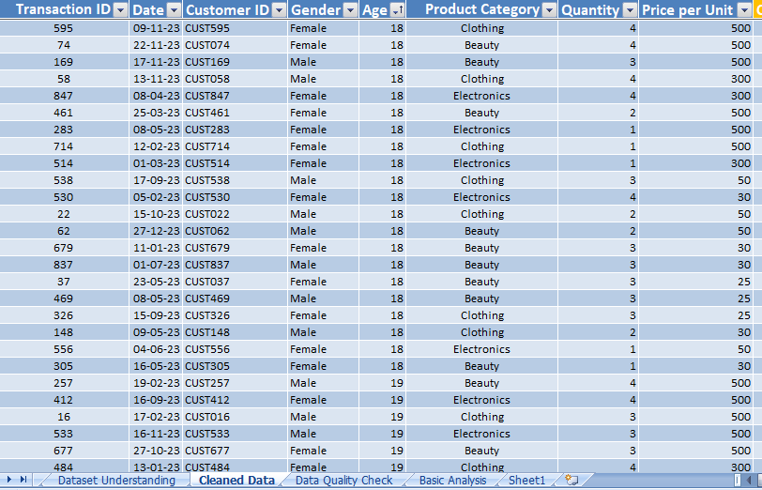
Screenshorts of Sorting and filtering

Q no 1: | Which transaction has the highest total amount? | (Filter/Sorting Apply on Total Amount Column)
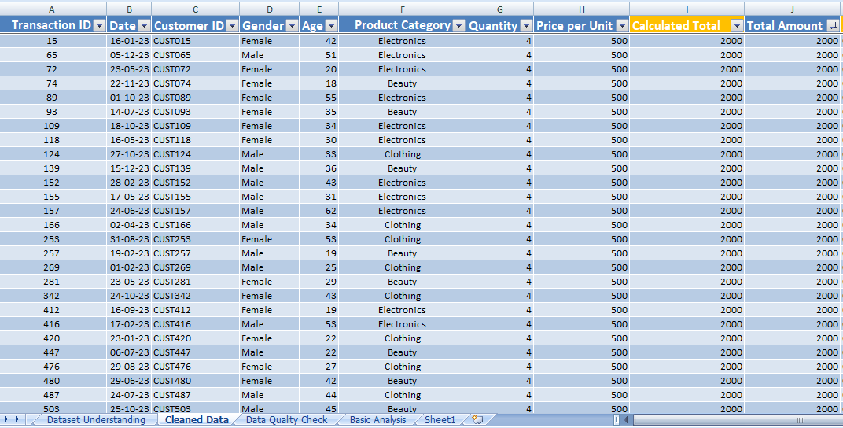

Q no 2: | Which transaction has the lowest total amount? | (Filter/Sorting Apply on Total Amount Column)
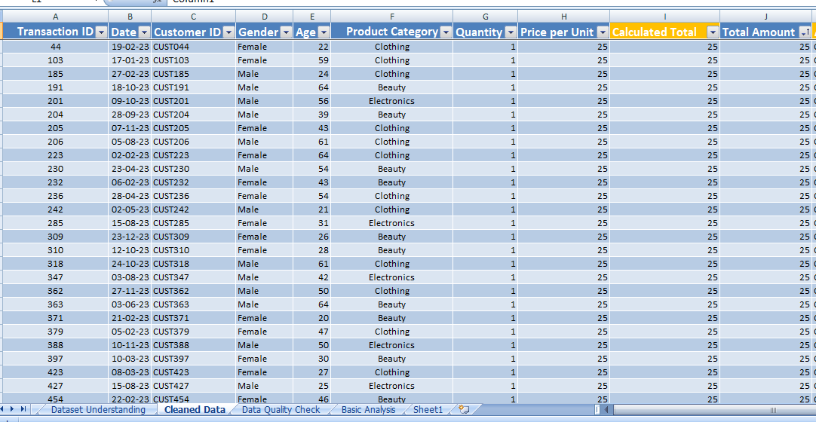

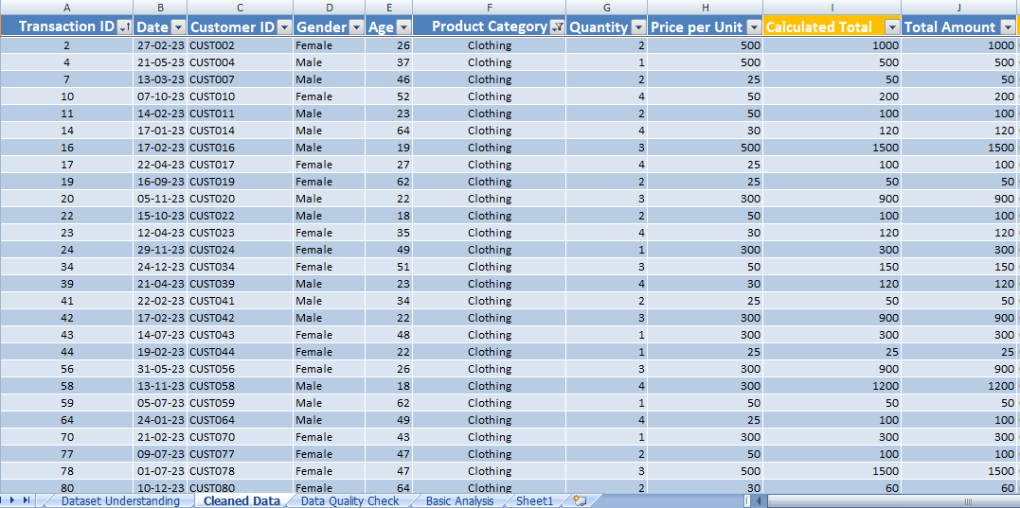
Q no: 3 | Show only transactions where Product Category is Clothing. |  | (Filter Apply on Product Category)

Q no 4: | Show only transactions where Gender is Female. |  | (Filter/ Sorting Apply on Gender column)
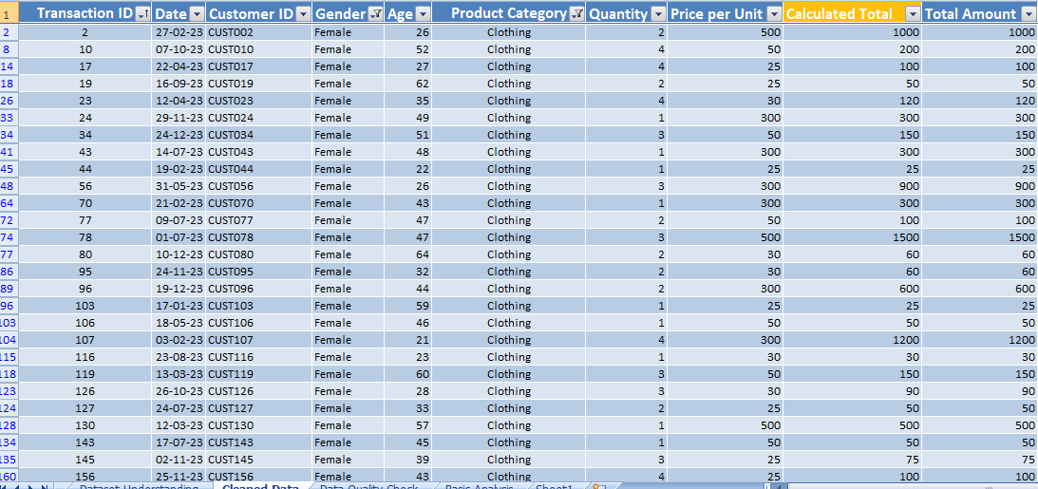

Q no 5: | Show only transactions where Quantity is greater than 2. |  | (Filter Apply on Quantity column)

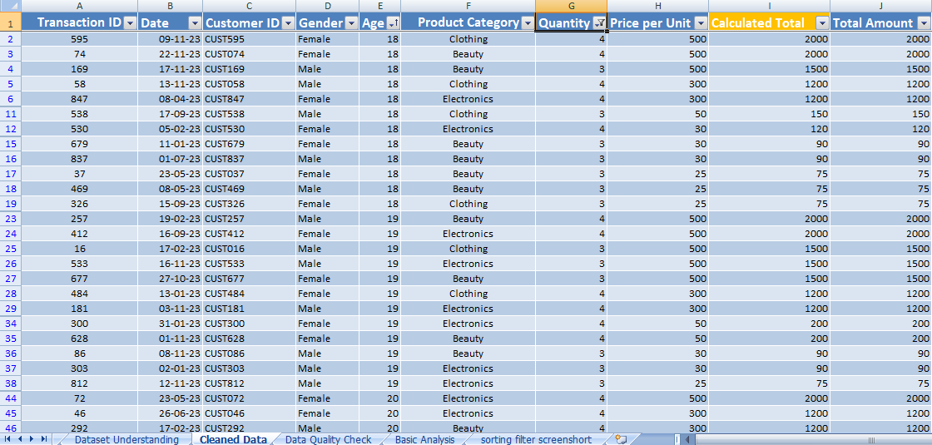

Q no 6 | Sort the dataset from youngest customer to oldest customer. |  | (Filter/ Sorting Apply on Age Column)

Charts
 | Basic Charts

Total Sales by Product Category

Category |  | 0
Beauty |  | 143275
Clothing |  | 155465
Electronics |  | 156805

Total Quantity Sold by Product Category

Category |  | 0
Beauty |  | 764
Clothing |  | 890
Electronics |  | 845

Total Sales by Gender

